Cover
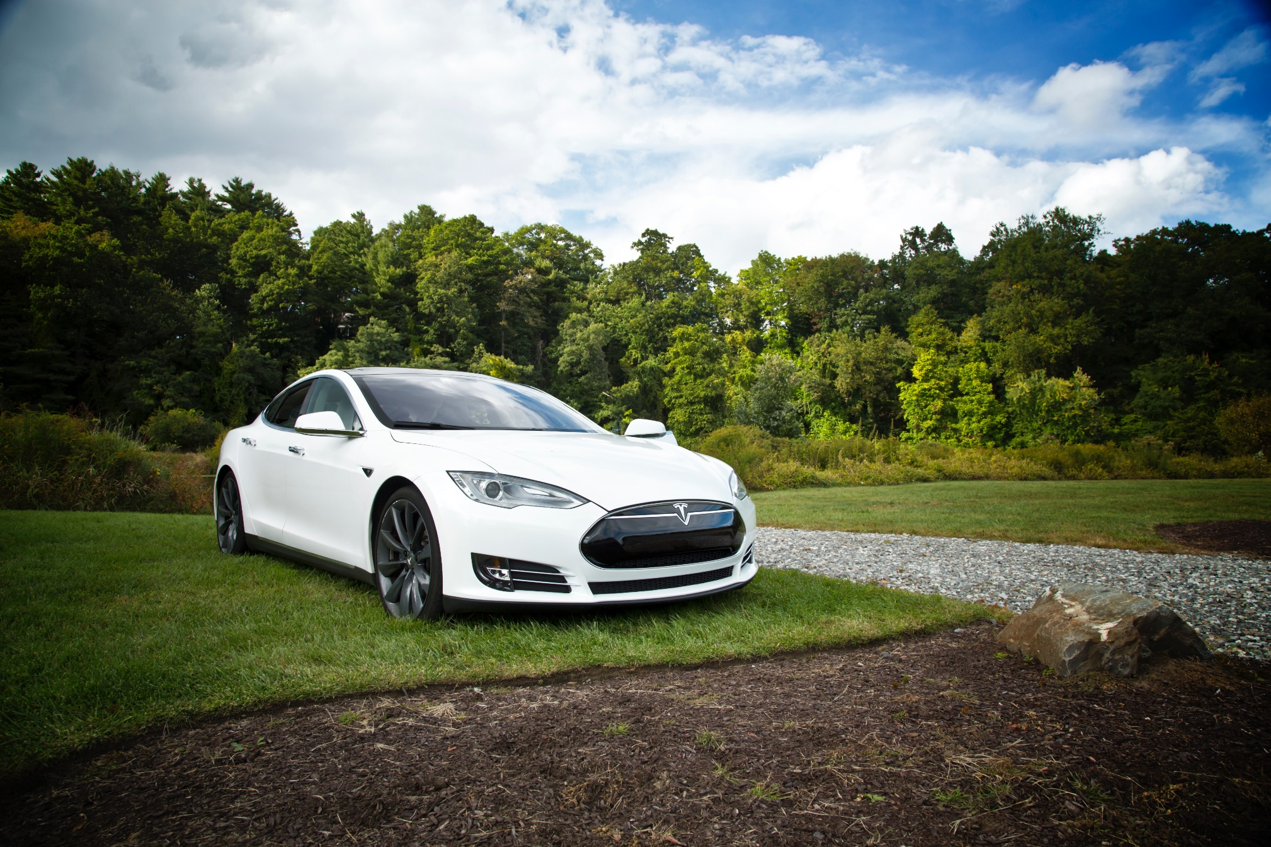

Tesla
Company analysis

Drivers
Drivers
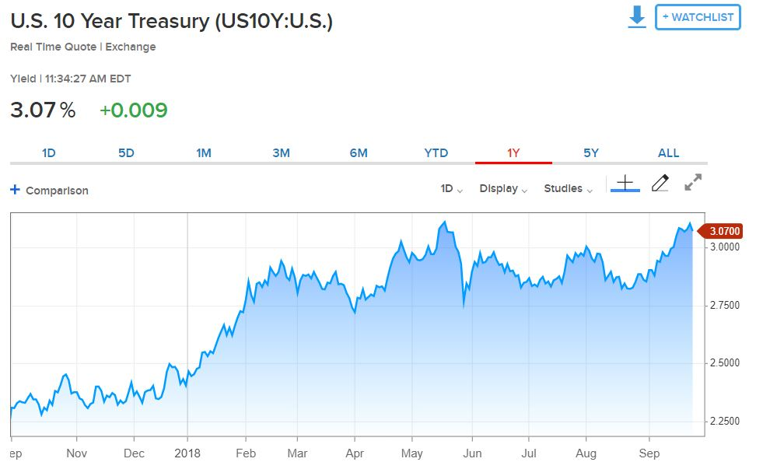
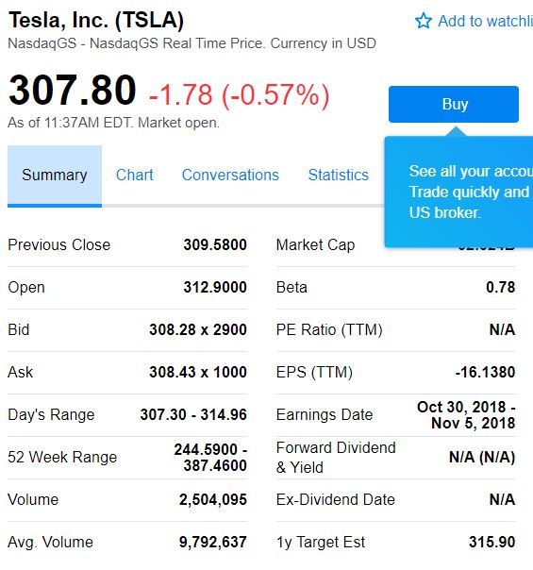
Selected case | 2
Company | Tesla
Currency | USD
Domestic country | United States
10-year treasury yield (Sep 27 2018) | 3.07%
Market risk premium US | 5%
Company beta (Sep 27 2018) | 0.78
Tesla share price (Sep 27 2018) | 307.8
Bond Yield (Sep 19 2018) | 7.50%
Corporate tax rate | 30%
Expected inflation | 2%

Deliveries development
Tesla vehicle deliveries 2014-2027 (actuals and forecasts)
 | Tesla Model 3 | Tesla Model S and X | Tesla Model Y | Tesla Roadster 2 | Tesla Pickup | Tesla Semi
2014 Act | - | 33600 | - | - | - | -
2015 Act | - | 50580 | - | - | - | -
2016 Act | - | 76230 | - | - | - | -
2017 Act | 1764 | 101312 | - | - | - | -
2018 H1 Act | 26620 | 44100 | - | - | - | -
2018 H2 Fcst | 104000 | 55900 | - | - | - | -
2018 Fcst | 130620 | 100000 | - | - | - | -
2019 Fcst | 260000 | 102000 | 1764 | - | 250 | 250
2020 Fcst | 416000 | 104040 | 130620 | 500 | 18512 | 18512
2021 Fcst | 457600 | 106121 | 260000 | 1000 | 36848 | 36848
2022 Fcst | 503360 | 108243 | 416000 | 1500 | 58957 | 58957
2023 Fcst | 528528 | 110408 | 457600 | 1650 | 64853 | 64853
2024 Fcst | 554954 | 112616 | 503360 | 1815 | 71338 | 71338
2025 Fcst | 566053 | 114869 | 528528 | 1906 | 74905 | 74905
2026 Fcst | 577375 | 117166 | 554954 | 2001 | 78650 | 78650
2027 Fcst | 588922 | 119509 | 566053 | 2041 | 80223 | 80223
2028 Fcst | 600700 | 121899 | 577375 | 2082 | 81827 | 81827

Revenue & GP autom
Revenue and Gross Profit automotive

Vehicle | 2014 Act | 2015 Act | 2016 Act | 2017 Act | 2018 Fcst | 2019 Fcst | 2020 Fcst | 2021 Fcst | 2022 Fcst | 2023 Fcst | 2024 Fcst | 2025 Fcst | 2026 Fcst | 2027 Fcst | 2028 Fcst
Revenue automotive | 3,007 | 3,741 | 6,351 | 9,641 | 14,236 | 19,999 | 38,090 | 51,426 | 67,263 | 72,175 | 77,509 | 80,390 | 83,395 | 85,063 | 86,764
Gross Profit automotive | 861 | 918 | 1,601 | 2,209 | - | - | - | - | - | - | - | - | - | - | -
GP% | 29% | 25% | 25% | 23% | 0% | 0% | 0% | 0% | 0% | 0% | 0% | 0% | 0% | 0% | 0%

Revenue and Gross Profit automotive
 | Revenue automotive | Gross Profit automotive | GP%
2014 Act | 3007 | 861 | 29%
2015 Act | 3741 | 918 | 25%
2016 Act | 6351 | 1601 | 25%
2017 Act | 9641 | 2209 | 23%
2018 Fcst | 14236 | - | 0%
2019 Fcst | 19999 | - | 0%
2020 Fcst | 38090 | - | 0%
2021 Fcst | 51426 | - | 0%
2022 Fcst | 67263 | - | 0%
2023 Fcst | 72175 | - | 0%
2024 Fcst | 77509 | - | 0%
2025 Fcst | 80390 | - | 0%
2026 Fcst | 83395 | - | 0%
2027 Fcst | 85063 | - | 0%
2028 Fcst | 86764 | - | 0%

WC development
Working Capital development (2018-2028)
 | Trade receivables | Inventory | Trade payables
31Dec2018 Fcst | 958 | 5577 | 4792
31Dec2019 Fcst | 1228 | 7702 | 6617
31Dec2020 Fcst | 2210 | 13972 | 12004
31Dec2021 Fcst | 2935 | 18595 | 15976
31Dec2022 Fcst | 3790 | 24055 | 20667
31Dec2023 Fcst | 4064 | 25797 | 22163
31Dec2024 Fcst | 4361 | 27687 | 23787
31Dec2025 Fcst | 4528 | 28745 | 24696
31Dec2026 Fcst | 4703 | 29850 | 25645
31Dec2027 Fcst | 4808 | 30505 | 26208
31Dec2028 Fcst | 4915 | 31176 | 26784

Revenue by type of car
Revenue by type of car

 | Tesla Revenue Automotive (in mln $)
Vehicle | 2014 Act | 2015 Act | 2016 Act | 2017 Act | 2018 H1 Act | 2018 H2 Fcst | 2018 Fcst | 2019 Fcst | 2020 Fcst | 2021 Fcst | 2022 Fcst | 2023 Fcst | 2024 Fcst | 2025 Fcst | 2026 Fcst | 2027 Fcst | 2028 Fcst | Vehicle type
Tesla Model 3 | - | - | - | n.a. | n.a. | 4,368 | 5,486 | 10,920 | 17,472 | 19,219 | 21,141 | 22,198 | 23,308 | 23,774 | 24,250 | 24,735 | 25,229 | Car
Tesla Model S and X | 3,007 | 3,741 | 6,351 | n.a. | n.a. | 4,891 | 8,750 | 8,925 | 9,104 | 9,286 | 9,471 | 9,661 | 9,854 | 10,051 | 10,252 | 10,457 | 10,666 | Car
Tesla Model Y | - | - | - | - | - | - | - | 88 | 6,531 | 13,000 | 20,800 | 22,880 | 25,168 | 26,426 | 27,748 | 28,303 | 28,869 | Car
Tesla Roadster 2 | - | - | - | - | - | - | - | - | 115 | 230 | 345 | 380 | 417 | 438 | 460 | 469 | 479 | Car
Tesla Pickup | - | - | - | - | - | - | - | 16 | 1,166 | 2,321 | 3,714 | 4,086 | 4,494 | 4,719 | 4,955 | 5,054 | 5,155 | Pickup
Tesla Semi | - | - | - | - | - | - | - | 50 | 3,702 | 7,370 | 11,791 | 12,971 | 14,268 | 14,981 | 15,730 | 16,045 | 16,365 | Truck
Total | 3,007 | 3,741 | 6,351 | 9,641 | 6,093 | 9,259 | 14,236 | 19,999 | 38,090 | 51,426 | 67,263 | 72,175 | 77,509 | 80,390 | 83,395 | 85,063 | 86,764
Revenue from different types of vehicles sold: 2018 - 2028

Types of vehicles
Types of vehicles

 | Tesla Revenue Automotive (in mln $)
Vehicle | 2014 Act | 2015 Act | 2016 Act | 2017 Act | 2018 H1 Act | 2018 H2 Fcst | 2018 Fcst | 2019 Fcst | 2020 Fcst | 2021 Fcst | 2022 Fcst | 2023 Fcst | 2024 Fcst | 2025 Fcst | 2026 Fcst | 2027 Fcst | 2028 Fcst | Vehicle type
Tesla Model 3 | - | - | - | n.a. | n.a. | 4,368 | 5,486 | 10,920 | 17,472 | 19,219 | 21,141 | 22,198 | 23,308 | 23,774 | 24,250 | 24,735 | 25,229 | Car
Tesla Model S and X | 3,007 | 3,741 | 6,351 | n.a. | n.a. | 4,891 | 8,750 | 8,925 | 9,104 | 9,286 | 9,471 | 9,661 | 9,854 | 10,051 | 10,252 | 10,457 | 10,666 | Car
Tesla Model Y | - | - | - | - | - | - | - | 88 | 6,531 | 13,000 | 20,800 | 22,880 | 25,168 | 26,426 | 27,748 | 28,303 | 28,869 | Car
Tesla Roadster 2 | - | - | - | - | - | - | - | - | 115 | 230 | 345 | 380 | 417 | 438 | 460 | 469 | 479 | Car
Tesla Pickup | - | - | - | - | - | - | - | 16 | 1,166 | 2,321 | 3,714 | 4,086 | 4,494 | 4,719 | 4,955 | 5,054 | 5,155 | Pickup
Tesla Semi | - | - | - | - | - | - | - | 50 | 3,702 | 7,370 | 11,791 | 12,971 | 14,268 | 14,981 | 15,730 | 16,045 | 16,365 | Truck
Total | 3,007 | 3,741 | 6,351 | 9,641 | 6,093 | 9,259 | 14,236 | 19,999 | 38,090 | 51,426 | 67,263 | 72,175 | 77,509 | 80,390 | 83,395 | 85,063 | 86,764

 | 2014 Act | 2015 Act | 2016 Act | 2017 Act | 2018 H1 Act | 2018 H2 Fcst | 2018 Fcst | 2019 Fcst | 2020 Fcst | 2021 Fcst | 2022 Fcst | 2023 Fcst | 2024 Fcst | 2025 Fcst | 2026 Fcst | 2027 Fcst | 2028 Fcst
Car |  |  |  |  |  | 9,259 | 14,236 | 19,933 | 33,222 | 41,735 | 51,757 | 55,118 | 58,747 | 60,690 | 62,710 | 63,964 | 65,243
Pickup |  |  |  |  |  | - | - | 16 | 1,166 | 2,321 | 3,714 | 4,086 | 4,494 | 4,719 | 4,955 | 5,054 | 5,155
Truck |  |  |  |  |  | - | - | 50 | 3,702 | 7,370 | 11,791 | 12,971 | 14,268 | 14,981 | 15,730 | 16,045 | 16,365
Total |  |  |  |  |  | 9,259 | 14,236 | 19,999 | 38,090 | 51,426 | 67,263 | 72,175 | 77,509 | 80,390 | 83,395 | 85,063 | 86,764
Revenue from different types of vehicles sold: 2018 - 2028

Profitability
Types of vehicles

($ in million) | 2014 Act | 2015 Act | 2016 Act | 2017 Act | 2018 Fcst | 2019 Fcst | 2020 Fcst | 2021 Fcst | 2022 Fcst | 2023 Fcst | 2024 Fcst | 2025 Fcst | 2026 Fcst | 2027 Fcst | 2028 Fcst
Revenue | 3,198 | 4,046 | 7,000 | 11,759 | 17,988 | 23,057 | 41,515 | 55,124 | 71,184 | 76,330 | 81,914 | 85,059 | 88,344 | 90,309 | 92,325
GP% | 27.6% | 22.8% | 22.8% | 18.9% | 9.0% | 1.9% | 1.2% | 1.0% | 0.8% | 0.8% | 0.8% | 0.8% | 0.8% | 0.9% | 0.9%
EBIT% | -5.8% | -17.7% | -9.5% | -13.9% | -19.3% | -10.5% | -11.3% | -11.5% | -11.7% | -11.7% | -11.7% | -11.7% | -11.7% | -11.6% | -11.6%
Gross Profit | 882 | 924 | 1,599 | 2,222 | 1,617 | 448 | 502 | 542 | 575 | 609 | 646 | 685 | 726 | 769 | 815
EBIT | (187) | (717) | (667) | (1,632) | (3,478) | (2,432) | (4,684) | (6,344) | (8,317) | (8,926) | (9,587) | (9,941) | (10,310) | (10,512) | (10,718)
Tesla profitability: 2018-2028
 | Revenue | GP% | EBIT%
2014 Act | 3198 | 27.6% | -5.8%
2015 Act | 4046 | 22.8% | -17.7%
2016 Act | 7000 | 22.8% | -9.5%
2017 Act | 11759 | 18.9% | -13.9%
2018 Fcst | 17988 | 9.0% | -19.3%
2019 Fcst | 23057 | 1.9% | -10.5%
2020 Fcst | 41515 | 1.2% | -11.3%
2021 Fcst | 55124 | 1.0% | -11.5%
2022 Fcst | 71184 | 0.8% | -11.7%
2023 Fcst | 76330 | 0.8% | -11.7%
2024 Fcst | 81914 | 0.8% | -11.7%
2025 Fcst | 85059 | 0.8% | -11.7%
2026 Fcst | 88344 | 0.8% | -11.7%
2027 Fcst | 90309 | 0.9% | -11.6%
2028 Fcst | 92325 | 0.9% | -11.6%

